1. Title Page
Grocery Basket Analysis

Project Name: Instacart Grocery Basket Analysis
Date: 11/15/2023
Analyst Name: Cyndi Kohashi

Contents:
Population Flow
Consistency checks
Wrangling steps
Column derivations
Visualizations
Recommendations

"The Instacart Online Grocery Shopping Dataset 2017”, Accessed from www.instacart.com/datasets/grocery-shopping-2017 via Kaggle on 11/15/2023.
Customer data and prices were fabricated for educational purposes.

2. Population Flow
Title page

Population flow

Exclusion flag
Condition: max_order < 5
Observations to be removed: 1,441,570
Final total count of order_products_all: 30,993,489

Orders_products_combined
Orders_products_merged
Orders_products_all

Total: 32,434,489
Total: 32,435,059
Total: 32,435,059

1.) The grey boxes in the first row of the population flow represent the original data sets as they were when you downloaded them. In the Total fields you need to add the count of the rows when you imported the data set into Jupyter.
2.) The second row of boxes (coloured) represents the data sets after you manipulated them, e.g., removed missing values and duplicates. In the Total fields you need to add the count of the rows after conducting these operations. This offers a visual overview of how the data flows throughout the data consistency checks.
3.) The third row, where also the arrows are colored, represents the merges you performed between the datasets. In the Total fields you need to add the count of the rows in the merged datasets, so that you end up with the final dataset (in the red box). Keep in mind the final dataset should be without exclusions (based on the exclusion flag).

3. Consistency checks
 |  |  |  | Title page
Consistency checks

Dataset | Missing values | Missing values treatment | Duplicates
orders | 206,209 | Left in, they are first orders. Values missing are from days since prior order. | 0
products | 16 | Removed missing values. | 5, removed duplicates.
orders_products_prior | None | None | None
customers | 11,259 first names | We don't need first names or last names for analysis. Removing these columns did not create any new duplicates. They are also personally identifiable information. | 0
orders_products_merged | 35,327 prices, 11 other N/A values | Missing values were created because the prices were over $100, which is unusual for grocery store items. 11 other N/A values were removed. | 0

4. Wrangling steps
 |  |  |  | Title page
Wrangling steps

Columns dropped | Columns renamed | Columns' type changed | Comment/Reason
eval_set (orders) |  |  | Dropped, not relevant to analysis.
 | order_dow to order_day_of_week (orders) |  | Renamed for clarity.
 |  | order_id (orders, orders_products_prior) | Changed from integer to string. Values are not a numeric value but a label.
 |  | user_id (orders) | Changed from integer to string. Values are not a numeric value but a label.
 |  | product_ id (orders_products_prior, products) | Changed from integer to string. Values are not a numeric value but a label.
First Name (customers) |  |  | We don't need first names for analysis. Removing these columns did not create any new duplicates. It is also personally identifiable information.
Surnam (customers) |  |  | We don't need last names for analysis. Removing these columns did not create any new duplicates. It is also personally identifiable information.
Gender (customers) |  |  | Not relevant to analysis. Analysis more focused on age, income, family status, and region.
 | STATE to state (customers) |  | Changed to follow column naming format of the other data sets.
 | Age to age (customers) |  | Changed to follow column naming format of the other data sets.
 | n_dependants to number_of_dependants (customers) |  | Renamed for clarity.
 | fam_status to family_status (customers) |  | Renamed for clarity.
busiest_day (orders_products_merged) |  |  | Replaced with busiest_days, no longer needed.

5. Column derivations
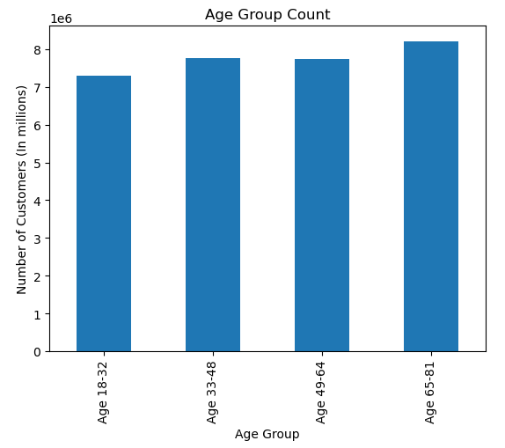
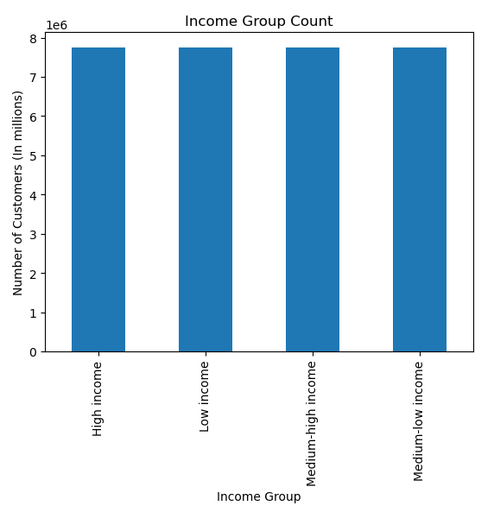
 |  |  |  | Title page

Column derivations and aggregations

In this tab you should add tables below that the frequencies of flags/label variables that you produced after deriving them. NB: don't do this for continuous variables, only for flags.
Dataset | New column | Column/s it was derived from | Conditions
orders_products_merged | price_label | prices | 1. If item's price is lower than or equal to $5, it will be labeled as "Low-range product".
 |  |  | 2. If item's price is greater than $5 but lower or equal to $15, it will be labeled as "Mid-range product".
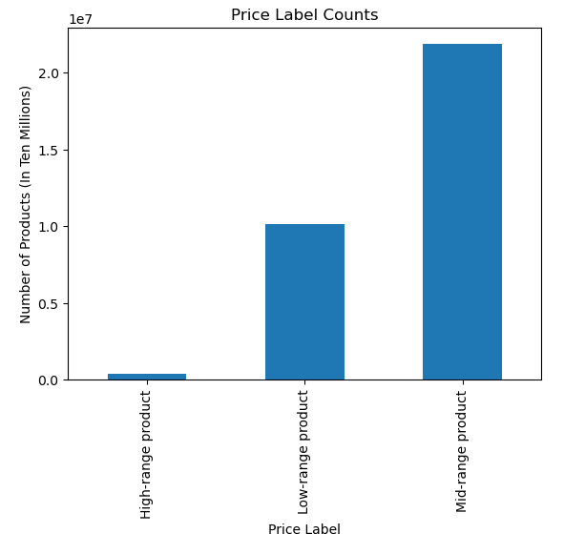
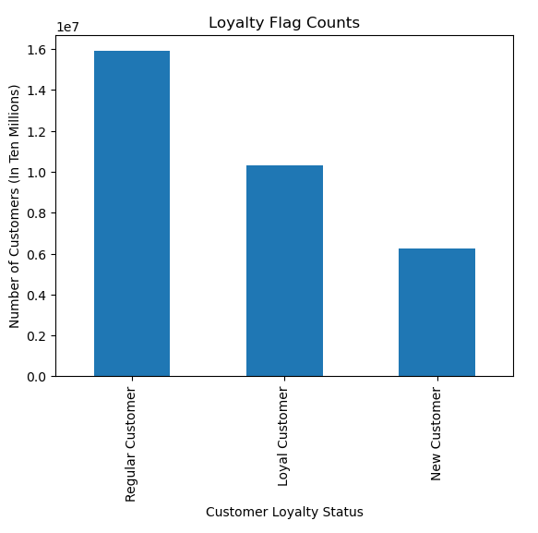
 |  |  | 3. If item's price is greater than $15, it will be labeled as "High-range product".
orders_products_merged | busiest_days | order_day_of_week | 1. If an order is placed on Saturday or Sunday, it will be labeled as "Busiest Days".
 |  |  | 2. If an order is placed on Tuesday or Wednesday, it will be labeled as "Slowest Days".
 |  |  | 3. If an order is placed on any other day, it will be labeled as "Regular Days".
orders_products_merged | busiest_period_of_day | order_hour_of_day | 1. If an order is placed during 9 - 16, it will be labeled as "Most Orders".
 |  |  | 2. If an order is placed during 7, 8, or 17-22 it will be labeled as "Average Orders".
 |  |  | 3. If an order is placed during 23 or 0-6, it will be labeled as "Fewest Orders".
orders_products_merged | max_order | user_id & order_number | The maximum number of orders a user has made.
orders_products_merged | loyalty_flag | max_order | 1. If a user has placed more than 40 orders, they will be labeled as "Loyal Customer".
 |  |  | 2. If a user has placed more than 10 orders but less than or equal to 40 orders, they will be labeled as "Regular Customer".
 |  |  | 3. If a user has placed less than or equal to 10 orders, they will be labeled as "New Customer".
orders_products_merged | average_price | user_id & prices | The average price spent on an item by users.
orders_products_merged | spending_flag | average_price | 1. If the average price of products purchased is lower than $10, then the user will be labeled as "Low Spender".
 |  |  | 2. If the average price of products purchased is greater than or equal $10, then the user will be labeled as "High Spender".
orders_products_merged | average_days_since_prior_order | user_id & days_since_prior_order | The average time since previous order by a user.
orders_products_merged | frequency_flag | average_days_since_prior_order | 1. If the average time since a previous order is over 20 days, then the user will be labeled as a "Non-frequent Customer".
 |  |  | 2. If the average time since a previous order is over 10 days but less than or equal to 20 days, then the user will be labeled as a "Regular Customer".
 |  |  | 3. If the average time since a previous order is less than or equal to 10 days, then the user will be labeled as a "Frequent Customer".
orders_products_all | region | state | 1. If user's state is in Maine, New Hampshire, Vermont, Massachusetts, Rhode Island, Connecticut, New York, Pennsylvania, or New Jersey, they will be labeled as "Northeast" region.
 |  |  | 2. If user's state is in Wisconsin, Michigan, Illinois, Indiana, Ohio, North Dakota, South Dakota, Nebraska, Kansas, Minnesota, Iowa, or Missouri, they will be labeled as "Midwest" region.
 |  |  | 3. If user's state is in Delaware, Maryland, District of Columbia, Virginia, West Virginia, North Carolina, South Carolina, Georgia, Florida, Kentucky, Tennessee, Mississippi, Alabama, Oklahoma, Texas, Arkansas, or Louisiana, they will be labeled as "South" region.
 |  |  | 4. If user's state is in Idaho, Montana, Wyoming, Nevada, Utah, Colorado, Arizona, New Mexico, Alaska, Washington, Oregon, California, or Hawaii they will be labeled as "West" region.
orders_products_all | age_group | age | 1. Users ages 18 - 32 will be labeled as "Age 18-32".
 |  |  | 2. Users ages 33-48 will be labeled as "Age 33-48".
 |  |  | 3. Users ages 49-64 will be labeled as "Age 49-64".
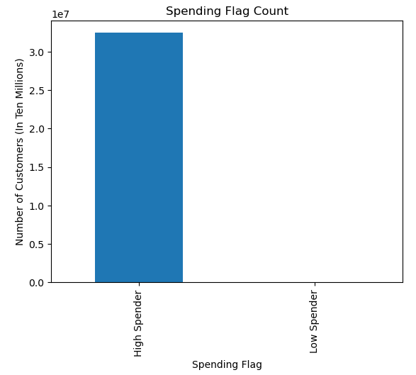
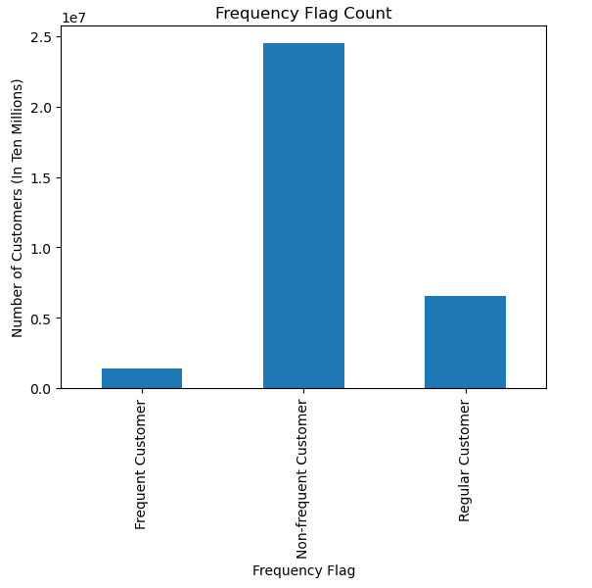
 |  |  | 4. Users ages 65-81 will be labeled as "Age 65-81".
orders_products_all | income_group | income | 1. Income $25,903 - $67,289 will be labeled as "Low income".
 |  |  | 2. Income $67,290 - $96,7659 will be labeled as "Middle income".
 |  |  | 3. Income $96,766 - $128,101 will be labeled as "Medium-high income".
 |  |  | 4. Income $128,102 - $593,901 will be labeled as "High income".
orders_products_all | customer_profile | age, age_group, family_status, number_of_dependants | 1. Users ages 18-32, single, with no dependants will be labeled "younger single no dependants".
 |  |  | 2. Users ages 33-64, single, with no dependants will be labeled "middle single no dependants".
 |  |  | 3. Users ages 65-81, single, with no dependants will be labeled "older single no dependants".
 |  |  | 4. Users ages 18-32, married, with dependants will be labeled "younger married dependants".
 |  |  | 5. Users ages 33-64, married, with dependants will be labeled "middle married dependants".
 |  |  | 6. Users ages 65-81, married, with dependants will be labeled "older married dependants".
 |  |  | 7. Users ages 18-32, single, with dependants will be labeled "younger single dependants".

6. Visualizations
 |  |  |  |  |  |  |  |  |  | Title page

Visualizations

In this tab you should include all the visualizations from Exercises 4.9 and 4.10, alongside the questions from the project brief that they answer. Include any commentary on the relationship between different variables.

1. The sales team needs to know what the busiest days of the week and hours of the day are (i.e., the days and times with the most orders) in order to schedule ads at times when there are fewer orders. |  |  |  |  |  |  |  |  |  |  |  | 2. They also want to know whether there are particular times of the day when people spend the most money, as this might inform the type of products they advertise at these times.



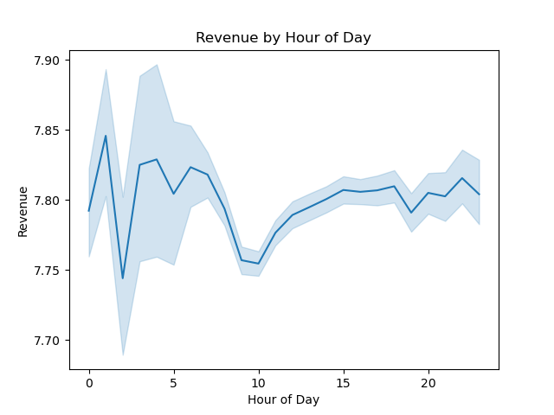

The busiest days of the week are Saturday (0.0) and Sunday (1.0). The slowest days of the week are Tuesday (3.0) and Wednesday (4.0). |  |  |  |  |  |  | The busiest hours of the day are 10 - 16 (10AM - 4PM). The slowest hours of the day are 0 - 6 (12AM - 6AM). |  |  |  |  | The most money spent on orders during the day happens around 1 and 4 (1AM and 4AM).

3. Instacart has a lot of products with different price tags. Marketing and sales want to use simpler price range groupings to help direct their efforts. |  |  |  |  |  |  |  | 4. Are there certain types of products that are more popular than others? The marketing and sales teams want to know which departments have the highest frequency of product orders. |  |  |  |  |  | 5. What’s the distribution among users in regards to their brand loyalty (i.e., how often do they return to Instacart)?

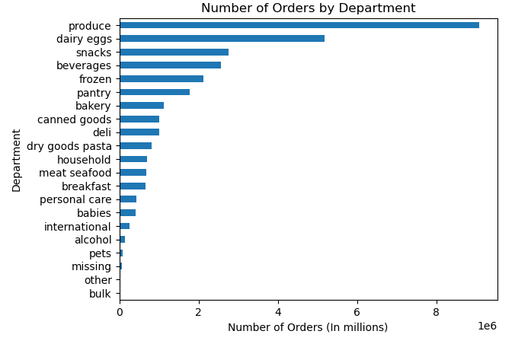

 |  |  |  |  |  |  |  | The departments with the most orders are Produce, Dairy & Eggs, Snacks, Beverages, and Frozen. Produce makes up 29% of all orders.

 |  |  |  |  |  |  |  |  |  |  |  |  |  | 49% of all customers are considered Regular Customers (max orders placed are over 10 but less than or equal to 40). Loyal Customers are customers that have placed over 40 max orders. New Customers have placed less than or equal to 10 max orders.
Prices have been grouped by High-range product (greater than $15), Mid-range product (over $5 to less than or equal $15) and Low-range product (less than or equal to $5).

6. Are there differences in ordering habits based on a customer’s loyalty status? |  |  |  |  |  |  |  | 7. Are there differences in ordering habits based on a customer’s region?
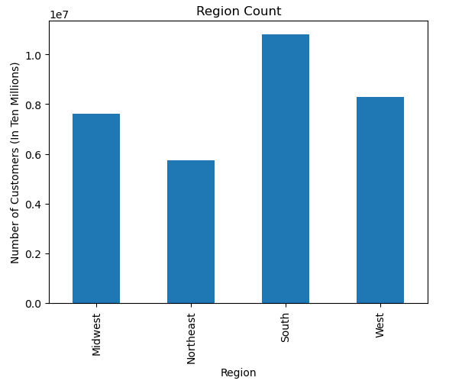
Order Frequency Based on Customer Loyalty |  |  |  |  |  |  |  |  |  |  |  | Number of Spenders by Region
loyalty_flag | Frequent Customer |  | Non-frequent Customer |  | Regular Customer |  |  |  |  |  |  | spending_flag | Midwest | Northeast | South | West
Loyal Customer |  | 699,445 |  | 5,336,152 | 4,258,430 |  |  |  |  |  |  | High Spender | 7,596,217 | 5,722,834 | 10,791,944 | 8,292,118
New Customer |  | 205,506 |  | 4,038,836 | 563,613 |  |  |  |  |  |  | Low Spender | 7,799 | 5,610 | 10,038 | 8,499
Regular Customer |  | 334,246 |  | 14,073,920 | 1,483,341 |  |  |  |  |  |  | The South region has the most customers and therefore the most High Spenders, but High Spenders also make up 99% of all customers in every region.

Loyal Customers are also the most frequent ordering customers. Loyal Customers make up 56% of all Frequent Customers. Regular Customers make up the majority of Non-frequent Customers, at 60%.

 |  |  |  |  |  |  |  |  |  |  |  | Number of Loyalty Customers by Region
 |  |  |  |  |  |  |  |  |  |  |  | loyalty_flag | Midwest | Northeast | South | West
 |  |  |  |  |  |  |  |  |  |  |  | Loyal Customer | 2,375,999 | 1,843,777 | 3,408,979 | 2,665,272
 |  |  |  |  |  |  |  |  |  |  |  | New Customer | 1,473,880 | 1,101,246 | 2,076,239 | 1,598,160
 |  |  |  |  |  |  |  |  |  |  |  | Regular Customer | 3,754,137 | 2,783,421 | 5,316,764 | 4,037,185

 |  |  |  |  |  |  |  |  |  |  |  | 33% of all Loyal Customers are located in the South region. The South region also makes up 33% of all New Customers and 33% of all Regular Customers.

 |  |  |  |  |  |  |  | 33% of all customers are located in the South region. That is followed by the West (26%), Midwest (23%) and Northeast region (18%). While the South region has the largest customer base, spending habits appear to be the same amoung all regions.

8. Is there a connection between age and family status in terms of ordering habits?
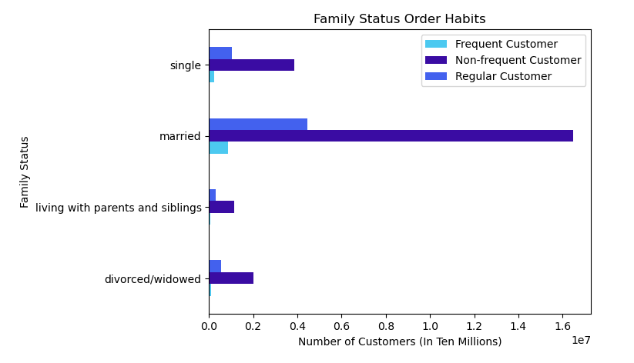
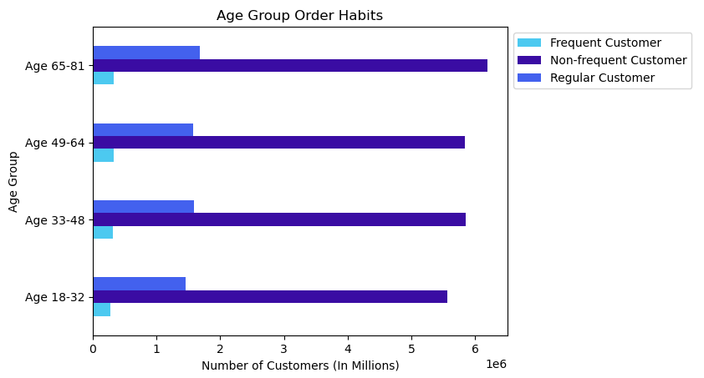
Order Frequency Based on Age Group
age_group | Frequent Customer |  | Non-frequent Customer |  | Regular Customer
Age 18-32 |  | 274,153 |  | 5,560,179 | 1,457,649
Age 33-48 |  | 314,568 |  | 5,854,514 | 1,593,442
Age 49-64 |  | 327,508 |  | 5,835,685 | 1,572,875
Age 65-81 |  | 322,968 |  | 6,198,530 | 1,681,418

Order Frequency Based on Family Status
family_status |  | Frequent Customer |  | Non-frequent Customer |  | Regular Customer
divorced/widowed |  |  | 106,263 | 2,005,321 |  | 536,215
living with parents and siblings |  |  | 60,814 | 1,133,889 |  | 288,018
married |  |  | 849,712 | 16,465,110 |  | 4,448,763
single |  |  | 222,408 | 3,844,588 |  | 1,032,388

There doesn't seem to be a connection between age and family status in terms of ordering habits. The number of customers in each frequency category seem to be evenly distributed among the age groups. Customers that are married make up the most customers in each frequency category, but married couples make up the full age range from 18-81 years old.

9. What different classifications does the demographic information suggest? Age? Income? Certain types of goods? Family status?
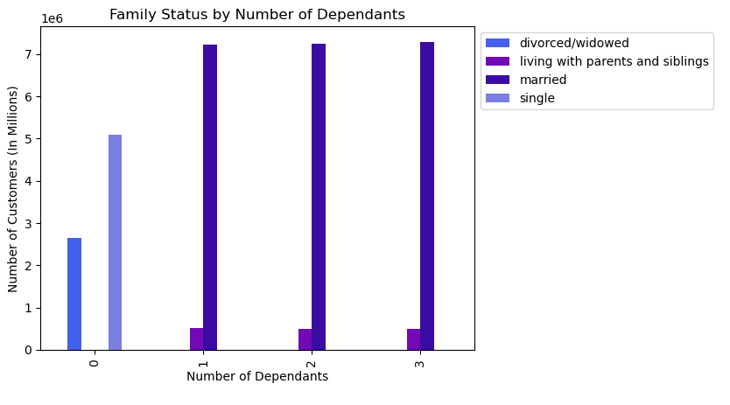
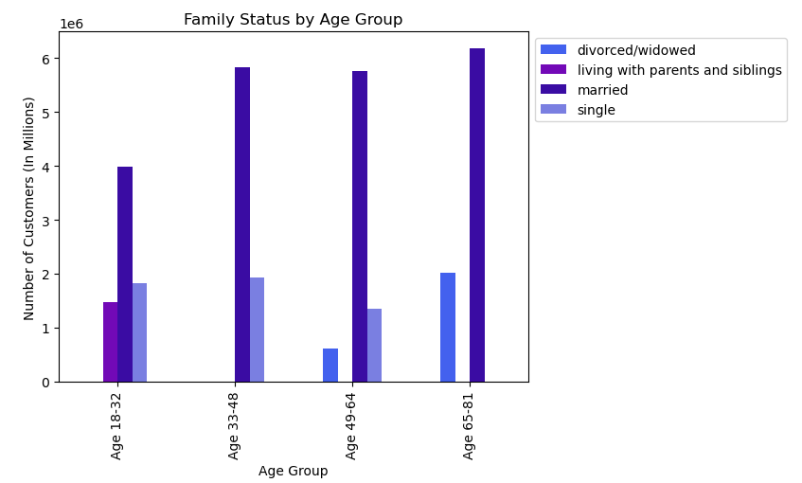
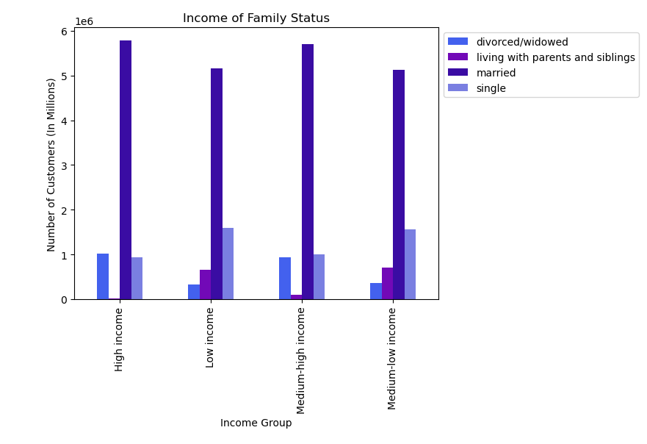
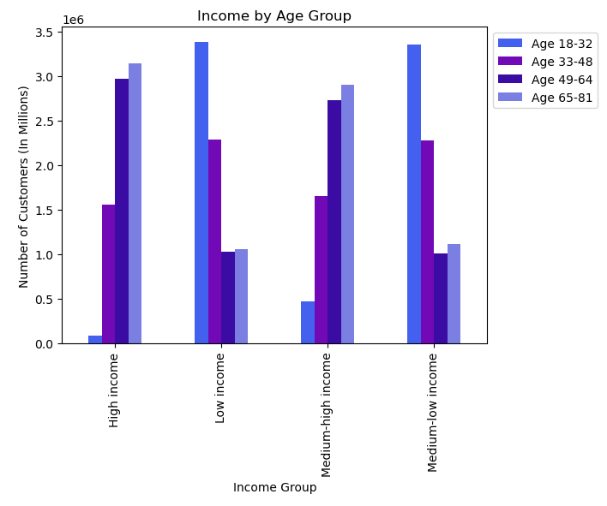

Divorced/widowed and single customers have 0 dependants. Married and those living with parents or siblings have 1-3 dependants.

 |  |  |  |  |  |  |  |  | Those living with parents and siblings are only ages 18-32. Single customers are only ages 18-64. Divorced/widowed customers are only ages 49-81. Married customers make up all age groups.

 |  |  |  |  |  |  |  |  |  |  |  |  |  |  |  | Married, single, and divorced/wiowed customers are part of all income groups, but marjority of the groups are made up of married customers. No one from the living with parents and siblings family status are in the high income group.
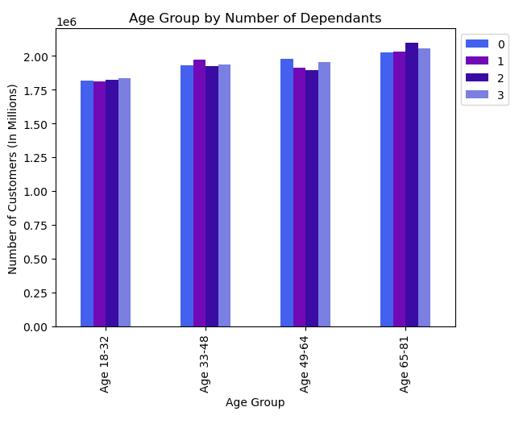
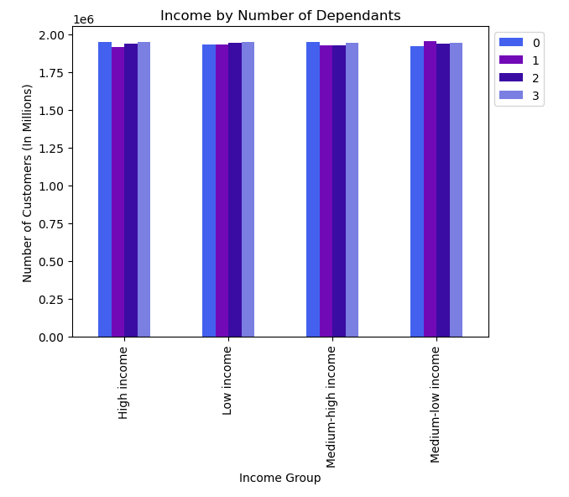
 |  |  |  |  |  |  |  |  |  |  |  |  |  |  |  |  |  | While all age groups make up all income groups, the low income and medium-low income group are mostly comprised of customers age 18-32. Majority of the high income group are those ages 49-64 and ages 65-81.

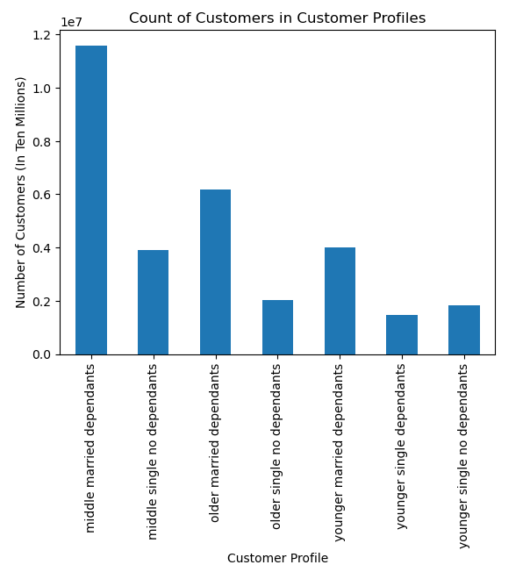
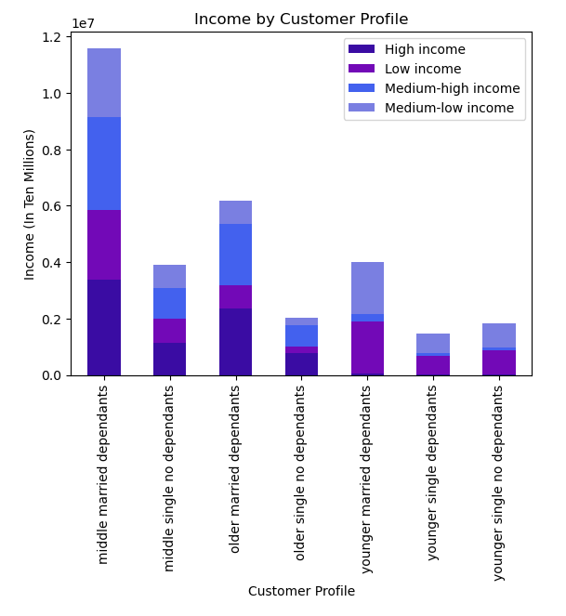

Each age group has customers with 0-3 dependants. This makes sense because while some age groups have family statuses with no dependants, married customers have dependants and make up all age groups.

 |  |  |  |  |  |  |  | Each income groups contains customesr with 0-3 dependants. Again, this makes sense because married customers make up all income groups.

 |  |  |  |  |  |  |  | Based on age, family status, and number of dependants we can classify the customers into different demographic categories:
 |  |  |  |  |  |  |  | 1. Younger age 18-32 singles with no dependants. |  |  | 5. Older (middle) 33-64 age married customers with dependants.
 |  |  |  |  |  |  |  | 2. Older (middle) 33-64 age singles with no dependants. |  |  | 6. Oldest 65-81 age married customers with dependants.
 |  |  |  |  |  |  |  | 3. Oldest 65-81 age singles with no dependants. |  |  | 7. Younger 18-32 age singles with dependants.
 |  |  |  |  |  |  |  | 4. Younger 18-32 age married customers with dependants.
 |  |  |  |  |  |  |  |  |  |  |  |  |  |  | Majority of customers are in the middle age group, married with dependants. |  | Middle age married customers have a fairly equal spread over the different income groups. All customers that are younger, regardless of marital status or dependants, make up most of the low income and medium-low income groups.

10. What differences can you find in ordering habits of different customer profiles? Consider the price of orders, the frequency of orders, the products customers are ordering, and anything else you can think of.

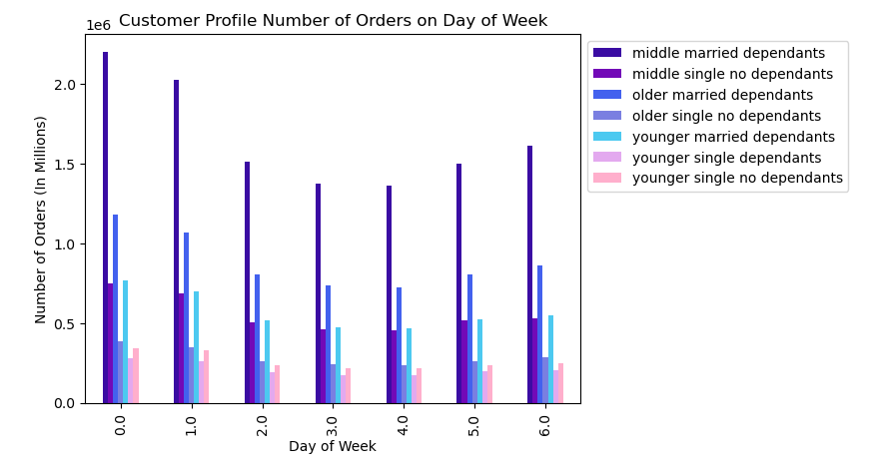
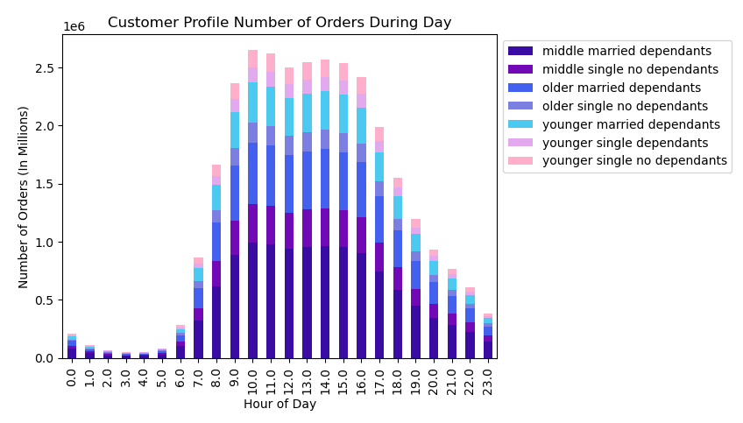

The customers in our profile follow the ordering trend we have seen earlier. Most orders are placed on Saturday (0.0) and Sunday (1.0). Married customers in the middle age group with dependants place the most orders. |  |  |  |  |  |  |  |  | Customers also follow the general trend of ordering the most around hour 10, but also have a significant amout of orders placed at 9 to 16 (9AM - 4PM).

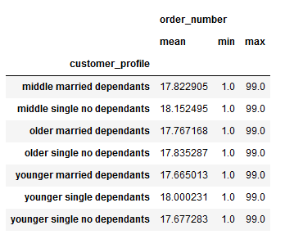
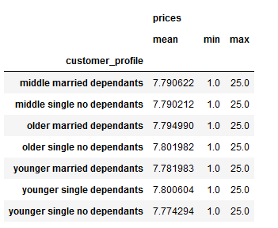
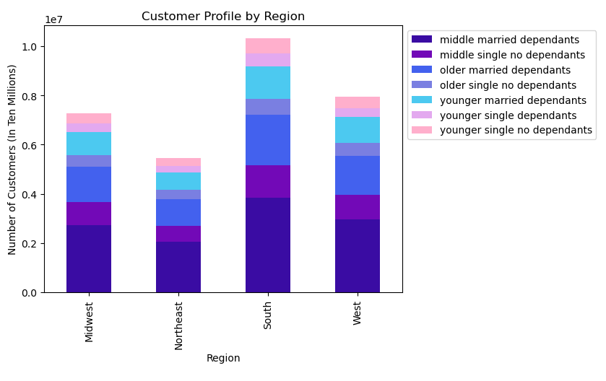

The average number of orders is similar across all customer profiles. Middle age single no dependants and younger single dependants have the highest averages. |  |  |  |  | The average amount spent is also roughly the same across all customer profiles. Older single no dependants and younger single dependants have the highest averages.

 |  |  |  |  |  |  |  |  | All regions have a similar amount of the largest demographic, the middle married dependants profile. The South Region is not only the largest region, it also has the most customers in every customer profile.
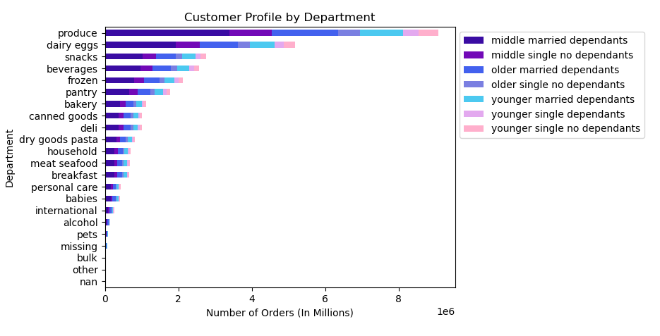

The overall top 5 departments are also the top 5 departments based on customer profiles. Middle age married dependants continue to make up the bulk of all orders. There are also a fair amount of produce orders from older married dependants as well.

7. Recommendations
 |  | Title page

Recommendations

In this tab you should include any recommendations you would made to Instacart in terms of their marketing strategy based on the questions posed in the brief. Every key question has been covered in the Tasks of the Exercises - here you need to add an item - a visualization or table/crosstable that is showing the answer in the data, accompanied by a comment from you. Please, list the questions below and add the answer underneath.

Question | Answer
1. The sales team needs to know what the busiest days of the week and hours of the day are (i.e., the days and times with the most orders) in order to schedule ads at times when there are fewer orders. | The busiest days of the week are Saturday (0.0) and Sunday (1.0). The busiest hours of the day are 10 - 16 (10AM - 4PM). The slowest days of the week are Tuesday (3.0) and Wednesday (4.0). The slowest hours of the day are 0 - 6 (12AM - 6AM). In order to schedule ads at the slowest times, they should be run during the weekdays before 10AM or after 3PM.
2. They also want to know whether there are particular times of the day when people spend the most money, as this might inform the type of products they advertise at these times. | The most money spent on orders during the day happens around 1 and 4 (1AM and 4AM).
3. Instacart has a lot of products with different price tags. Marketing and sales want to use simpler price range groupings to help direct their efforts. | A Price Label variable has been created. Prices have been grouped by High-range product (greater than $15), Mid-range product (over $5 to less than or equal $15) and Low-range product (less than or equal to $5).
4. Are there certain types of products that are more popular than others? The marketing and sales teams want to know which departments have the highest frequency of product orders. | The departments with the most orders are Produce, Dairy & Eggs, Snacks, Beverages, and Frozen. Produce makes up 29% of all orders.
5. What’s the distribution among users in regards to their brand loyalty (i.e., how often do they return to Instacart)? | 49% of all customers are considered Regular Customers (max orders placed are over 10 but less than or equal to 40). Loyal Customers are customers that have placed over 40 max orders. New Customers have placed less than or equal to 10 max orders.
6. Are there differences in ordering habits based on a customer’s loyalty status? | Loyal Customers are also the most frequent ordering customers. Loyal Customers make up 56% of all Frequent Customers. Regular Customers make up the majority of Non-frequent Customers, at 60%.
7. Are there differences in ordering habits based on a customer’s region? | 33% of all customers are located in the South region. That is followed by the West (26%), Midwest (23%) and Northeast region (18%). While the South region has the largest customer base, spending habits appear to be the same among all regions. The South region has the most customers and therefore the most High Spenders, but High Spenders also make up 99% of all customers in every region. 33% of all Loyal Customers are located in the South region. The South region also makes up 33% of all New Customers and 33% of all Regular Customers.
8. Is there a connection between age and family status in terms of ordering habits? | There doesn't seem to be a connection between age and family status in terms of ordering habits. The number of customers in each frequency category seem to be evenly distributed among the age groups. Customers that are married make up the most customers in each frequency category, but married couples make up the full age range from 18-81 years old.
9. What different classifications does the demographic information suggest? Age? Income? Certain types of goods? Family status? | Based on age, family status, and number of dependants we can classify the customers into different demographic categories: Younger (18-32) age singles with no dependants, older (middle 33-64) age singles with no dependants, oldest age (65-81) singles with no dependants, younger (18-32) age married customers with dependants, older (middle 33-64) age married customers with dependants, oldest (65-81) age married customers with dependants, and younger (18-32) age singles with dependants. Those that are married make up the majority of the customer base.
 | Middle age married customers have a fairly equal spread over the different income groups. All customers that are younger, regardless of marital status or dependants, make up most of the low income and medium-low income groups.
10. What differences can you find in ordering habits of different customer profiles? Consider the price of orders, the frequency of orders, the products customers are ordering, and anything else you can think of. | The average number of orders is similar across all customer profiles. Middle age single no dependants and younger single dependants have the highest averages. The amount spent is also roughly the same across all customer profiles. Older single no dependants and younger single dependants spend the most on average.
 | Customers across all profiles follow the same pattern of busiest days and hours. They place orders on Saturdays and Sundays, from 10-16 (10AM - 4PM.)

 | All regions have a similar amount of the largest demographic, the middle married dependants profile. The South Region is not only the largest region, it also has the most customers in every customer profile.
 | The overall top 5 departments are also the top 5 departments based on customer profiles. Middle age married dependants continue to make up the bulk of all orders. There are also a fair amount of produce orders from older married dependants as well.

